Sheet1
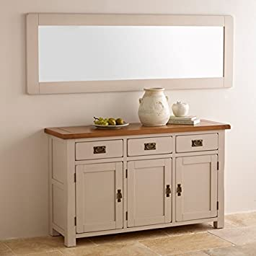
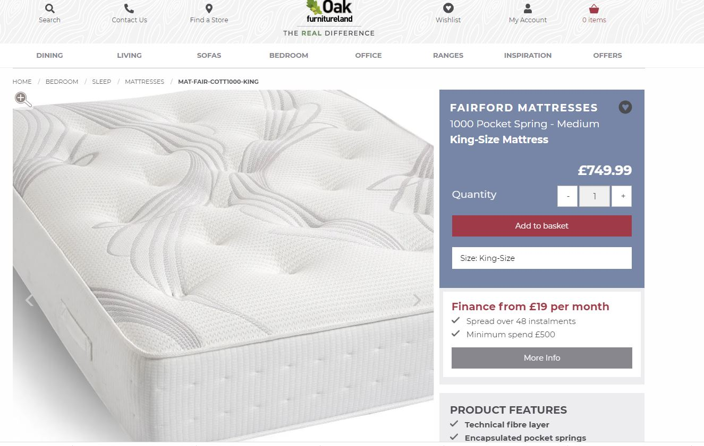
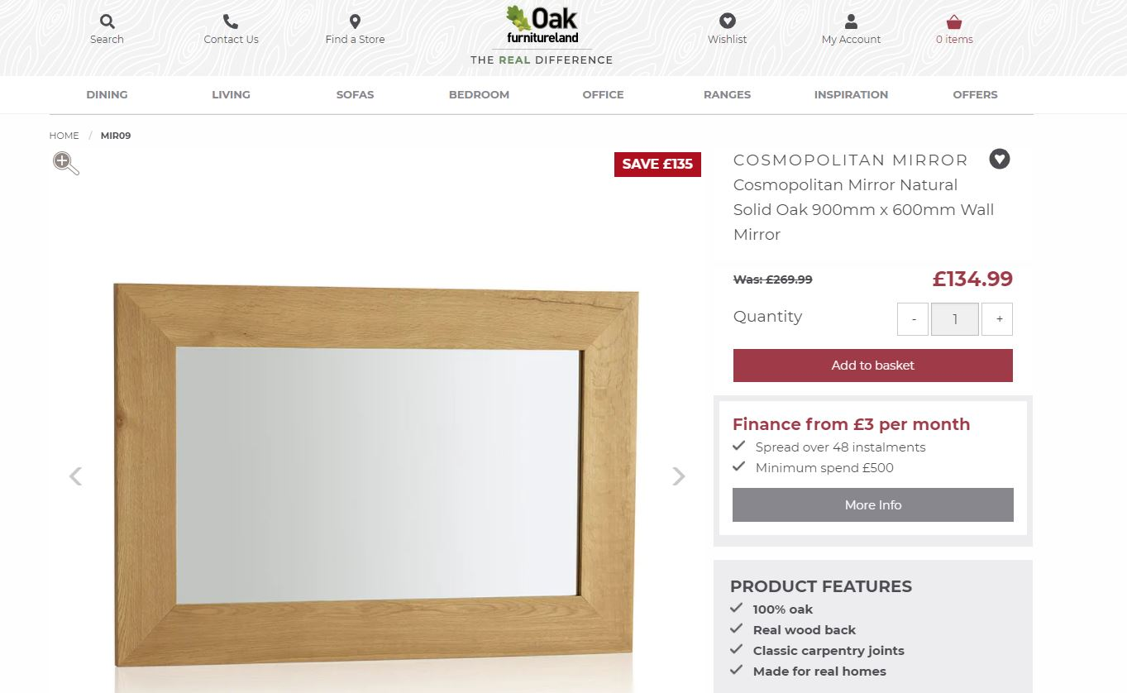
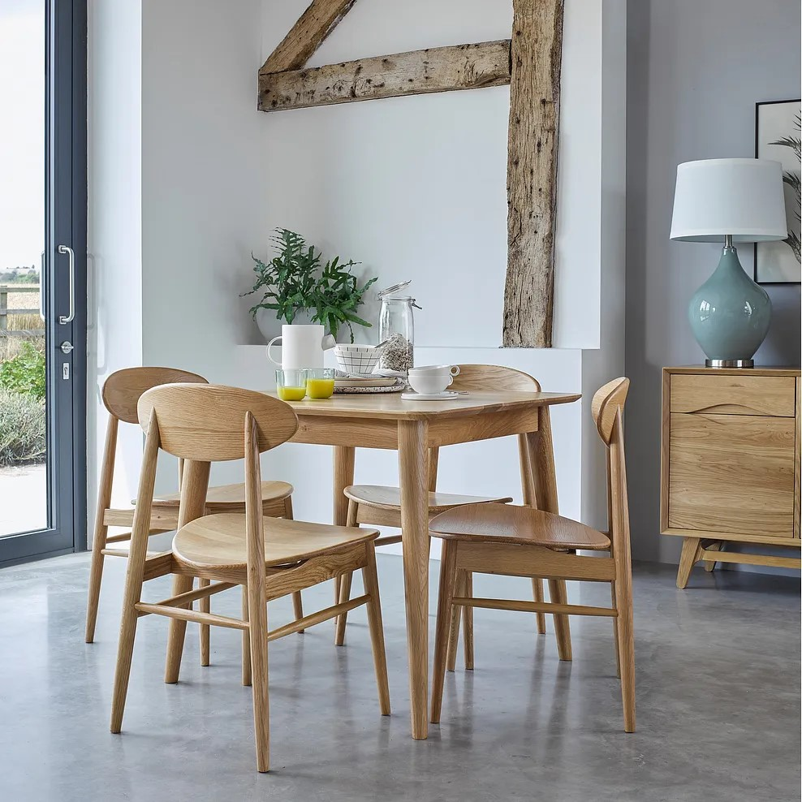
Product SKU | Product Name | Category | Stock Available | CBM
PRR013 | Kemble Rustic Solid Oak and Painted 1200mm x 600mm Wall Mirror | wall-mirrors | 68 | 0.071
PRR888 | Kemble Rustic Solid Oak and Painted 1800mm x 600mm Wall Mirror | wall-mirrors | 457 | 0.131
WNL055 | Country Cottage Painted Dining Chair | chairs | 419 | 0.178
SIE-STRIPE-034SIL | Scroll Back Chair in Striped Silver Fabric with Solid Oak Legs | chairs | 185 | 0.19
SHK028_TOP | PART Shaker Painted Hardwood Round Dining Table TOP | dining-tables | 107 | 0.277
SHK028_LEGS | PART Shaker Painted Hardwood Round Dining Table LEGS | dining-tables | 107 | 0.037
NCH180NAT | Cantilever Natural Solid Oak Bench | benches-stools | 692 | 0.144
BEN180RUS | Cantilever Rustic Solid Oak Bench | benches-stools | 385 | 0.144
BEN001STR | Cantilever Rustic Solid Oak Stool | benches-stools | 544 | 0.053
NCH001STN | Cantilever Natural Solid Oak Stool | benches-stools | 426 | 0.053
NCH002NAT | Cantilever Natural Solid Oak and Metal Bench | benches-stools | 262 | 0.153
BEN002STR | Cantilever Rustic Solid Oak and Metal Stool | benches-stools | 275 | 0.058
NCH002STN | Cantilever Natural Solid Oak and Metal Stool | benches-stools | 116 | 0.058
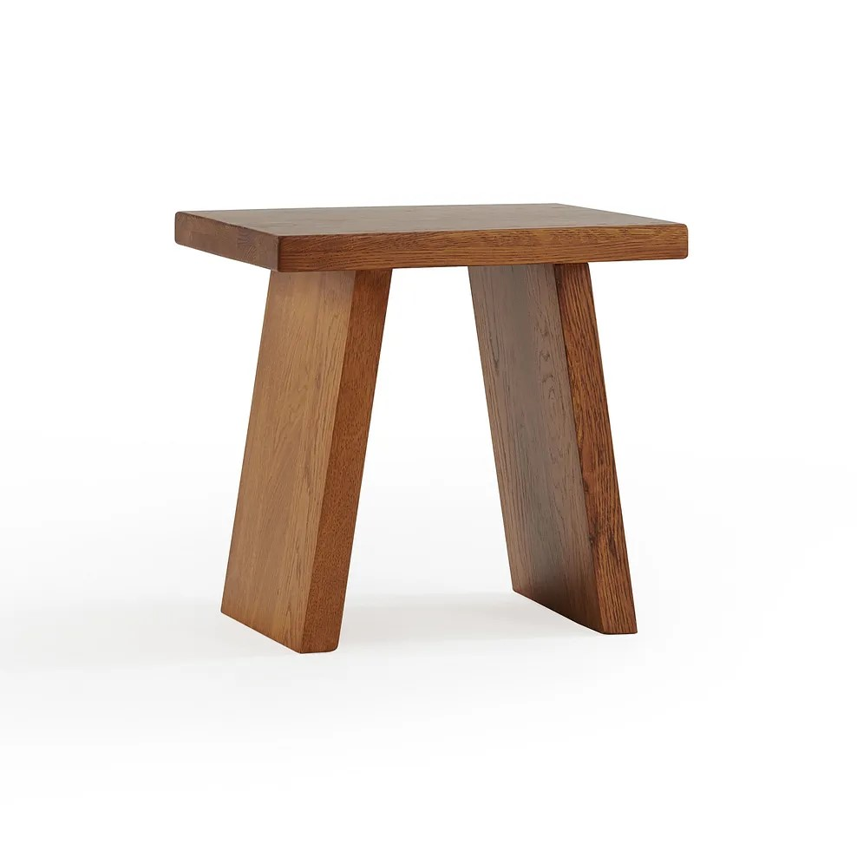
BEN002RUS | Cantilever Rustic Solid Oak and Metal Bench | benches-stools | 192 | 0.153
SCA900 | Oscar Natural Solid Oak 4 Seater Dining Table | dining-tables | 266 | 0.173
NCH120SCA | Oscar Natural Solid Oak 4ft Bench | benches-stools | 358 | 0.109
SCA011NAT | Oscar Natural Solid Oak Dining Chair | chairs | 1296 | 0.184
MIR09 | Cosmopolitan Mirror Natural Solid Oak 900mm x 600mm Wall Mirror | wall-mirrors | 240 | 0.045
SH-MAT-FAIR-MEM1000-KING | Fairford Memory 1000 King-size Mattress | mattresses | 50 | 0.832
SH-MAT-FAIR-COTT1000-KING | Fairford Cotton 1000 King-size Mattress | mattresses | 47 | 0.832
SH-MAT-FAIR-WOOL2000-KING | airford Wool 2000 King-size Mattress | mattresses | 52 | 0.832
 |  |  | 6544
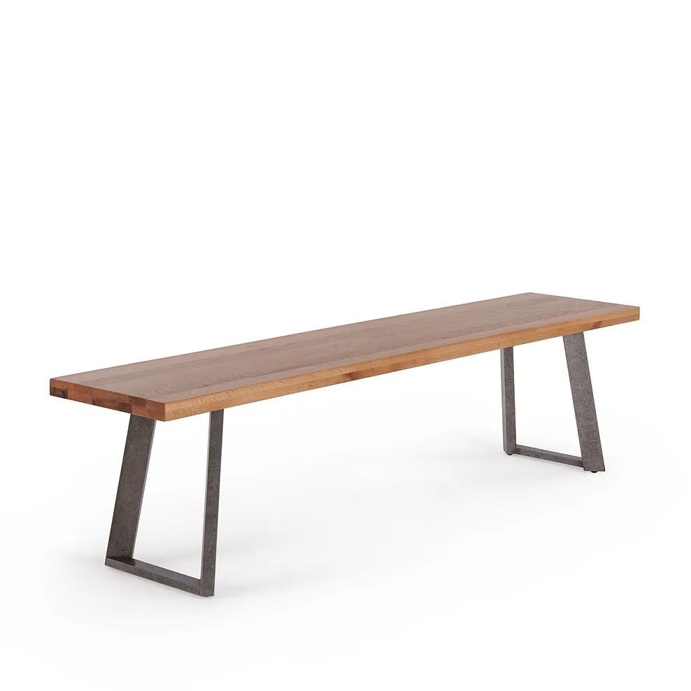
 |  |  | approx 15 truck loads
 |  |  | 760 pallets

